Table 1
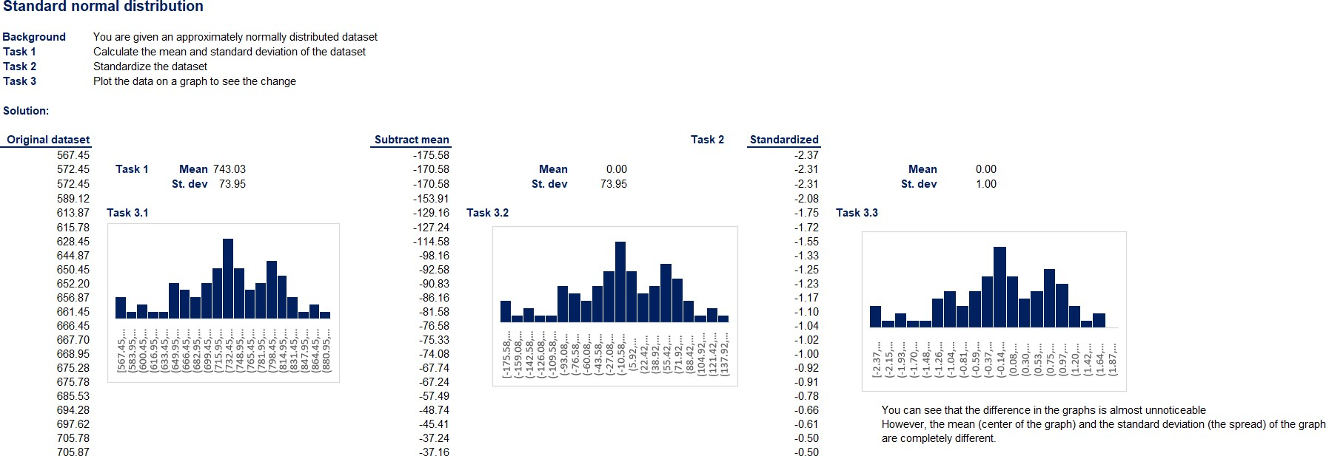


STATISTICS A PDF VERSION OF EXCEL EXERCISE SOLUTIONS THAT DON’T VISUALIZE PROPERLY
Categorical variables – Visualization techniques (appears in ‘2.3.Categorical-variables.Visualization-techniques-exercise-solution.xlsx’)
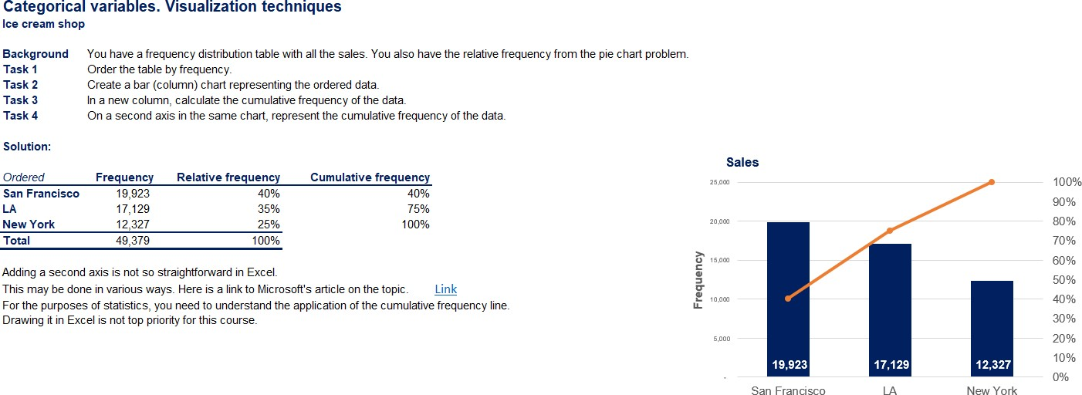
Categorical variables – Visualization techniques (appears in ‘2.3.Categorical-variables.Visualization-techniques-exercise-solution.xlsx’)

The Histogram (Part I) (appears in ‘2.5.The-Histogram-exercise-solution.xlsx’)

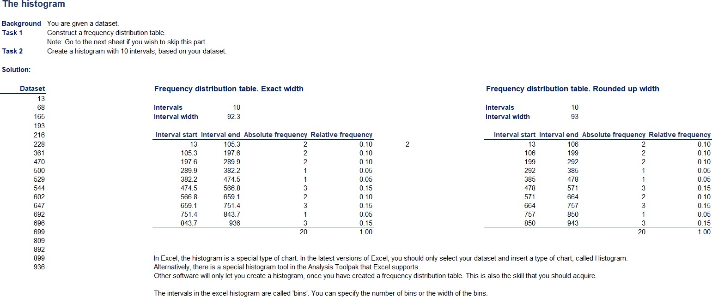
The Histogram (Part II) (appears in ‘2.5.The-Histogram-exercise-solution.xlsx’)
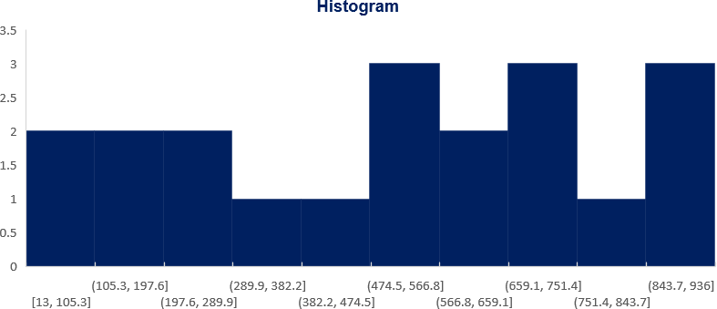
Skewness (appears in ‘2.8.Skewness-exercise-solution.xlsx’)
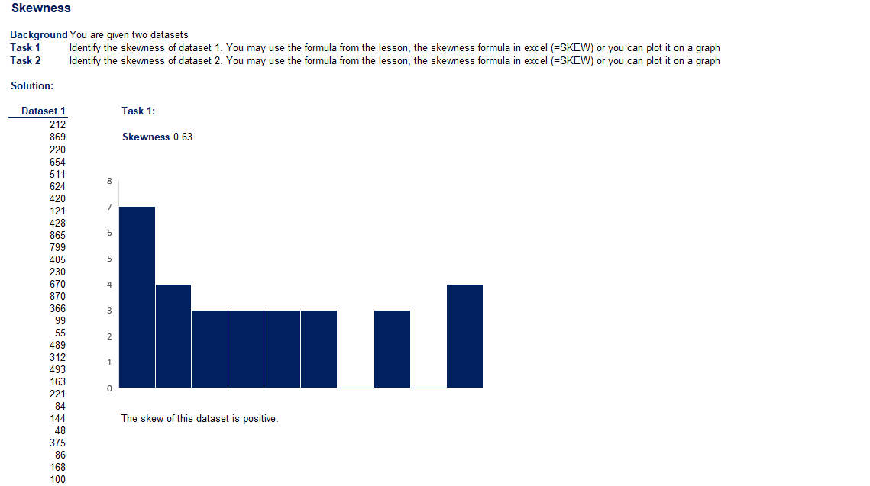

Practical Example – Descriptive Statistics (appears in ‘2.13.Practical-example.Descriptive-statistics-exercise-solution.xlsx’)
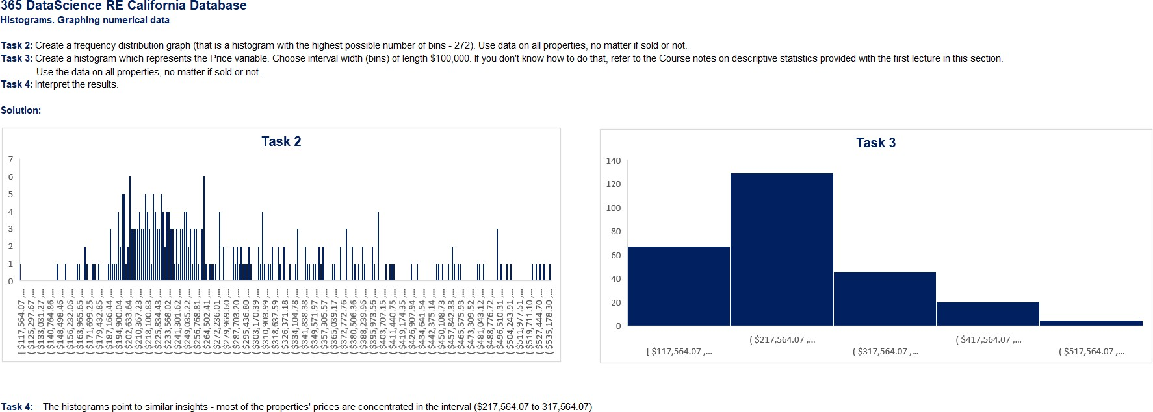
Standard Normal Distribution (appears in ‘3.4.Standard-normal-distribution-exercise-solution.xlsx’)

